Sheet1
" Quality Alert "
ID #: | Quality Alert 14 - 2018
Part #: | DM2513

 | Problem Description:
.218 +/- .001 dimension run oversize at .2225 on 5% on production run in January 2018. This press fit dimension creates a seal between the piston and cup and if it is oversized leakage could be possible.

 | Containment Action:
Increased inspection on dimension during next production run, sort in assembly

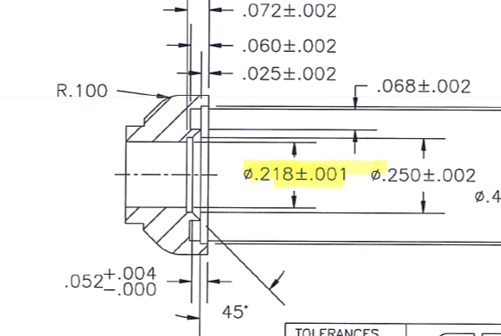

 | Department Mgr: |  | Ken Mcguire
 | Quality Engineer: |  | Paul Vogt
 | Quality Director: |  | Dave Besancenez
 | Team Fact. Signature: |  | David Edging
 | Removal Date: |  | TBD
Distribution :

VERIFICATION OF TRAINING LOG

Topic:
Date: |  | Time: |  | Training Hours:
Facilitator's :
I certify that I have received, and understand the training topic listed above.

Attendees:
Employee's Printed Name |  |  | Employee's Signature

1 |  |  | 1
2 |  |  | 2
3 |  |  | 3
4 |  |  | 4
5 |  |  | 5
6 |  |  | 6
7 |  |  | 7
8 |  |  | 8
9 |  |  | 9
10 |  |  | 10
11 |  |  | 11
12 |  |  | 12
13 |  |  | 13
14 |  |  | 14
15 |  |  | 15
16 |  |  | 16
17 |  |  | 17
18 |  |  | 18
19 |  |  | 19
20 |  |  | 20
21 |  |  | 21
22 |  |  | 22

